scatter plot
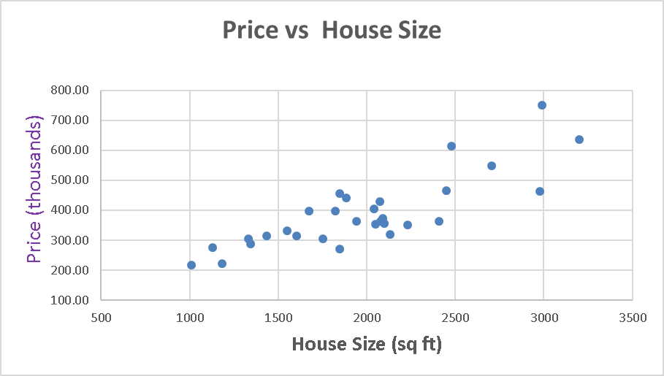

Regression vs Classification
Data on the Left:
Given house size, we want to predict the Appraised Value
Learning: Supervised Learning
Task : Regression
Target : Appraised Value
Data on the right:
Same houses, but we do not have appraised values. Instead, we have a Label on each house. So, we want to predict the Category
Learning: Supervised Learning
Task : Classification
Target: Category
Address | House Size (Sq. Ft.) | Appraised Value ($1000s) | Address | House Size (Sq. Ft.) | Categoty
9 Sycamore Road | 2448 | 466.00 | 9 Sycamore Road | 2448 | medium
21 Jefferson St | 1942 | 364.00 | 21 Jefferson St | 1942 | budget
38 Hitching Post Lane | 2073 | 429.00 | 38 Hitching Post Lane | 2073 | medium
4 Poppy Lane | 2707 | 548.40 | 4 Poppy Lane | 2707 | medium
5 Daniel Drive | 2042 | 405.90 | 5 Daniel Drive | 2042 | medium
15 Francis Terrace | 2089 | 374.10 | 15 Francis Terrace | 2089 | budget
23 Guilfoy Street | 1433 | 315.00 | 23 Guilfoy Street | 1433 | budget
17 Carlyle Drive | 2991 | 749.74 | 17 Carlyle Drive | 2991 | expensive
8 Craft Avenue | 1008 | 217.70 | 8 Craft Avenue | 1008 | budget
22 Beechwood Ct. | 3202 | 635.70 | 22 Beechwood Ct. | 3202 | expensive
14 Fox Street | 2230 | 350.70 | 14 Fox Street | 2230 | budget
7 Raynham Road | 1848 | 455.00 | 7 Raynham Road | 1848 | medium
2 Jerome Drive | 2100 | 356.20 | 2 Jerome Drive | 2100 | budget
7 Valentine Street | 1846 | 271.70 | 7 Valentine Street | 1846 | budget
38 Jefferson Street | 1331 | 304.30 | 38 Jefferson Street | 1331 | budget
15 Inwood Road | 1344 | 288.40 | 15 Inwood Road | 1344 | budget
29 Meadowfield Lane | 1822 | 396.70 | 29 Meadowfield Lane | 1822 | medium
13 Westland Drive | 2479 | 613.50 | 13 Westland Drive | 2479 | expensive
79 Valentine Street | 1605 | 314.10 | 79 Valentine Street | 1605 | budget
13 Fairmont Place | 2080 | 363.50 | 13 Fairmont Place | 2080 | budget
1 Prestwick Terrace | 2410 | 364.30 | 1 Prestwick Terrace | 2410 | budget
11 Clement Street | 1753 | 305.10 | 11 Clement Street | 1753 | budget
7 Woodland Road | 1884 | 441.70 | 7 Woodland Road | 1884 | medium
36 Elm Avenue | 2050 | 353.10 | 36 Elm Avenue | 2050 | medium
17 Duke Place | 2978 | 463.30 | 17 Duke Place | 2978 | medium
12 Prospect Avenue | 2132 | 320.00 | 12 Prospect Avenue | 2132 | budget
1 Buckeye Road | 1551 | 332.84 | 1 Buckeye Road | 1551 | budget
30 Ann Street | 1129 | 276.60 | 30 Ann Street | 1129 | budget
26 Broadfield Place | 1674 | 397.00 | 26 Broadfield Place | 1674 | medium
16 Jackson Street | 1184 | 221.90 | 16 Jackson Street | 1184 | budget

